Summer Term MA

MEDICAL ANALYSIS DEPARTMENT
Summer School -Weekly Schedule
Day | Time | Grade 2 | Grade 3 | Grade 4
Sunday | 09--10 | Genetics II- Theory Lab-1 Dr. Jibril Habib | Molecular biology I -Theory Lab-3 Dr. Sami Mamand | Adv. Biochemistry I -Theory Lab 2 Dr. Jaafaru
 | 10--11
 | 11--12 |  | Molecular biology I -Theory Lab-3 Dr. Sami Mamand | Adv. Biochemistry I -Theory Lab 2 Dr. Jaafaru
 | 12--13
 | 13--14 | Genetics II- Theory Lab-1 Dr. Jibril Habib | Molecular biology I - Practical Lab-3 Dr. Sami Mamand/ Ms. Shahnaz | Adv. Biochemistry I - Practical Lab 2 Dr. Jaafaru Sani/ Mr. Tolaz
 | 14--15
 | 15--16 | Genetics II -Practical Lab 3 Dr. Jibril / Mr. Ahmed A.
 | 16--17
 |  | Grade 2 | Grade 3 | Grade 4
Monday | 09--10 | S.Physiology-Theory Lab 4 Dr. Peshraw |  | Adv. Biochemistry II -Theory Lab-2 Dr. Jaafaru
 | 10--11
 | 11--12 | S.Physiology-Theory Lab 4 Dr. Peshraw |  | Adv. Biochemistry II -Theory Lab-2 Dr. Jaafaru
 | 12--13
 | 13--14 | S.Physiology-Practical Lab 4 Dr. Peshraw/Ms. Zina |  | Adv. Biochemistry II -Practical Lab-2 Dr. Jaafaru/Mr. Tolaz
 | 14--15
 | 15--16
 | 16--17
 |  | Grade 2 | Grade 3 | Grade 4
Tuesday | 09--10 |  | Research Methodology Lab-1 Dr. Jibril | Medical Mycology-Theory Lab-2 Mr. Soran
 | 10--11
 | 11--12 |  | Parasitology I-Theory Lab-1 Mr. Omar | Medical Mycology-Theory Lab-2 Mr. Soran
 | 12--13
 | 13--14 |  | Parasitology I-Theory Lab-1 Mr. Omar | Medical Mycology -Practical Lab-2 Mr. Soran/ Ms. Shahnaz
 | 14--15
 | 15--16 |  | Parasitology I-Practical Lab-1 Mr. Omar/ Ms. Amnah
 | 16--17
 |  | Grade 2 | Grade 3 | Grade 4
Wednesday | 09--10 | Histology-theory Lab-4 Dr. Suhayla
 | 10--11
 | 11--12 | Histology-theory Lab-4 Dr. Suhayla | M. Parasitology II-Theory Lab-1 Mr. Omar
 | 12--13
 | 13--14 | Histology-Lab Lab-4 Dr. Suhayla/Ms.Chnar
 | 14--15
 | 15--16 |  | Research Methodology Lab-1 Dr. Jibril
 | 16--17
 |  | Grade 2 | Grade 3 | Grade 4
Thursday | 09--10 | H.Physiology Theory Lab-4 Dr. Ramyar | M. Parasitology II-Theory Lab-1 Mr. Omar | Medical Virology-Theory Lab-3 Dr. Tola
 | 10--11
 | 11--12 | H.Physiology Theory Lab-4 Dr. Ramyar | M. Parasitology II-Practical Lab-1 Mr. Omar | Medical Virology-Theory Lab-3 Dr. Tola
 | 12--13
 | 13--14 | H.Physiology-Practical Lab-4 Dr. Ramya/ Mr. Ahmed B. |  | Microtechnique-Theory Lab-2 Mr. Kovan Faidhullah
 | 14--15
 | 15--16 |  |  | Microtechnique-Theory Lab-2 Mr. Kovan Faidhullah
 | 16--17

Sheet1
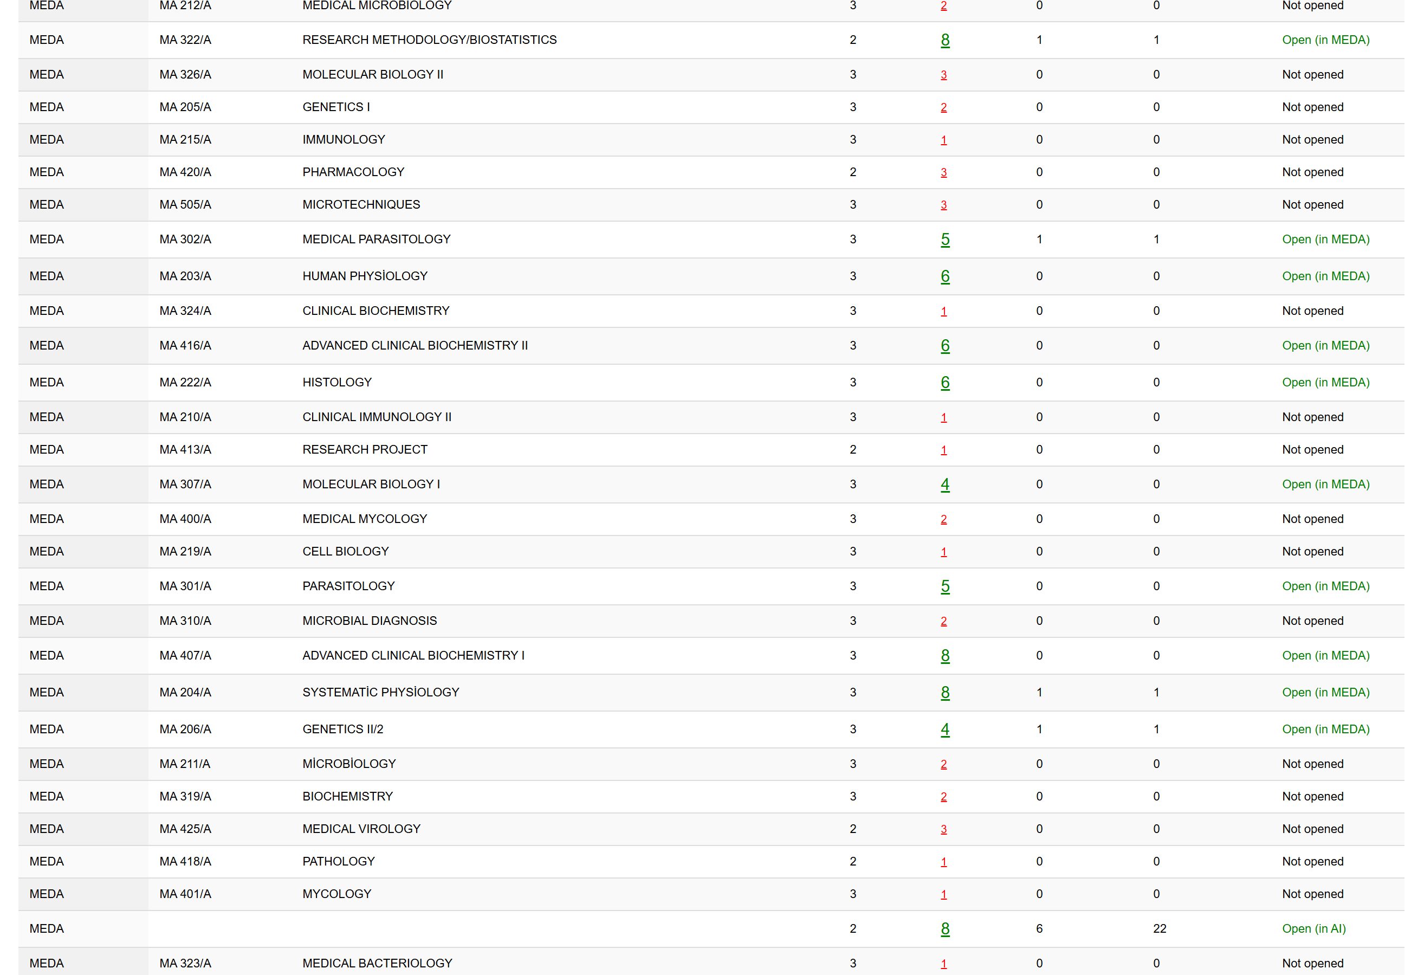

Name | Courses
Dr. Jibril | Genetics II | Research Methodology
Dr. Jaafaru | Adv. Clinical Chemistry I | Adv. Clinical Chemistry II
Dr. Sami | Molecular Biology I
Dr. Suhayla | Histology
Dr. Peshraw | Human Physiology | Systematic Physiology
Mr. Omer | Parasitology | Medical Parasitology

